GuidelinesBook
Guidelines Book

Workforce Development Planning Tool

Stage One

Stage one looks at your business environment and the internal and external factors that impact where your business is heading in the future.
This stage asks you to consider the occupation and skill level of your employees and also helps you to identify any skills gaps in your organisation.

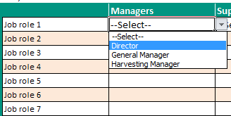
In order to complete this stage you will need to provide general organisational statistics. You can input answers by:
1. | Selecting one of the options from the drop down menu

2. | If you have a number of managers, for example, in your organisation with various titles you can enter these details underneath your previous entry
3. | You also have the option of typing data into these cells if the option you want is not listed on the drop down menu
4. | Certain cells require number values to be entered. The total numbers will be calculated automatically once entered:
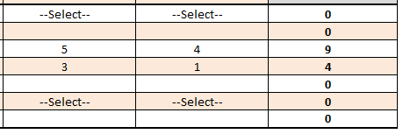

5 | To make additional notes scroll to the right, where a page is available

Stage Two

This stage captures the drivers for innovation and change in your company, whilst also highlighting the occupations that are most affected by these changes.

In order to complete this stage you will need to answer questions relating to your organisations products/services and the impact of changes on employees. Here are some guidelines:

1. Select appropriate answers to each of the outlined questions from the drop down menus. You may also type an answer if it is not available from the menu selection

2. Take note of the reference to past or future plans when answering questions
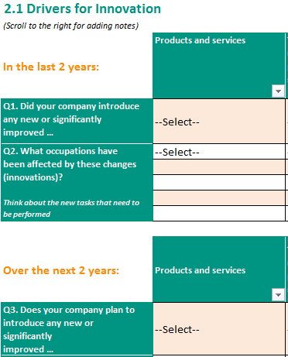

3. Scroll to the right where there is space available to make additional notes

Stage Three

This stage is about identifying the skills that are important for your business to perform well, both now and in the future.

There are three different approaches outlined in this tool, each on a different tab:

~ Stage 3: 3.1 Whole of business approach
~ Stage 3: 3.2 Job role-focussed approach
~ Stage 3: 3.3 Occupation-focused approach

You may choose to apply just one of these approaches to your organisation. Or you may choose to use all three. It is purely dependent on your business capability.

Not all businesses have the capacity to undertake a detailed skill gap analysis as proposed in Section 3.2 or 3.3 but they may share the same objective like other businesses – that is, to ensure that the employees perform at levels required to be competitive.
In this case, we propose the solution presented in Section 3.1 - to aspire as a business at achieving a min of Cert III or IV, depending on the occupation level; and, complete these skills with further specialisation training when and where the job requires.
Achieving a Cert III and IV ensures knowledge and skills expansion, provides flexibility in planning the staff and operations, and protects against legal charges in the event of reported incidents.

Below are some guidelines for each approach:

Stage 3: 3.1 Whole of business approach

1. Consider your current workforce, their level within the organisation and their current qualifications

2. Consider whether any of the outlined qualifications in this approach would be suitable for your employees

3. Click on any of the outlined qualifications in order to find out additional information about the qualification. Clicking on any of these links will bring you to the training.gov.au website

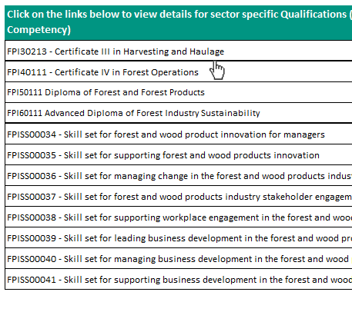

Stage 3: 3.2 Job role-focussed approach

1. This approach will help you identify the skill needs related to a specific job role

2. Follow the outlined steps for this approach

3. Seek involvement from the employee and fellow co-workers if applicable

4. Utilise the templates provided to help you complete this stage
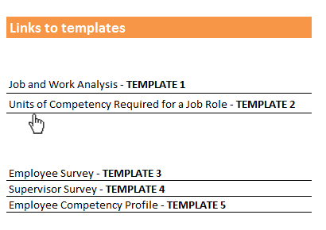

Stage 3: 3.3 Occupation-focused approach

This approach is based on senior management feedback. It aims to provide estimates about the skills that are important for businesses and whether skills gaps exist. This approach divides the occupations into four categories: Managers, supervisors, operators and office staff. People’s skills can either be generic or occupational. Therefore this approach is broken down into two further sections. We would encourage you to complete both sections as they cover a broad range of workforce skills.

~ Section 1: Generic skills gap and training needs analysis

Here are some guidelines to help you complete this section:

1. Each occupation group has the same series of question and answer options. Some of these options may not be relevant to your organisation. Therefore, you can choose to answer all questions or those you feel are relevant to your organisation

2. Consider which generic skills are applicable for each occupation and answer them appropriately

3. Seek involvement from those within the occupation level you are trying to complete e.g. ask a manager to assist

~ Section 2: Occupation specific skills gap and training needs analysis

1. Again, each occupation group has the same series of question and answer options.

2. There are a number of skill sets listed and you will need to determine what skill sets are applicable to each of the occupation groups within your organisation

3. Seek involvement from colleagues in each of the occupation groups to successfully complete this section

Stage Four

After completing stages 1 – 3 and determining the skill requirements and skills gaps (if any) within your organisation, you can now look at training.

Stage 4 is about partnering your organisation with an accredited training organisation.

Complete the checklist when liaising with the training provider

Stage Five

After collecting all of the appropriate information, you can now implement a workforce development plan.

You can use the strategies sugested in the checklist.

